ConfusionMatrix
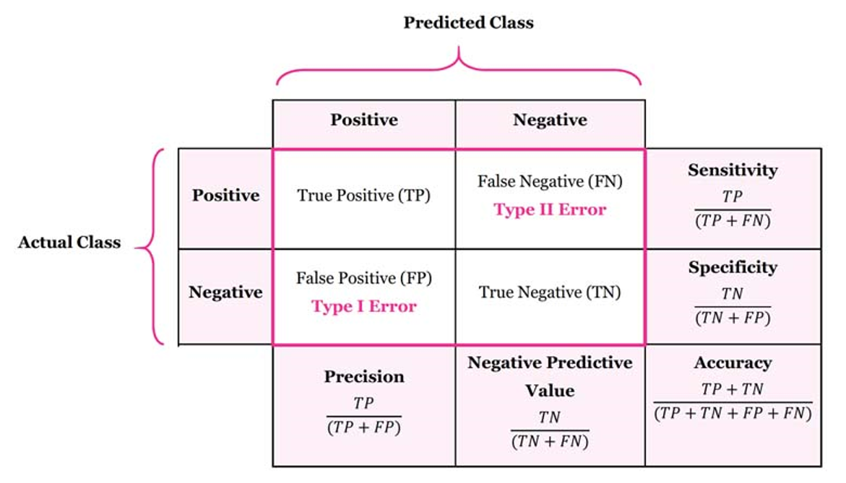
Confusion Matrix
 | Confusion Matrix is a tool to determine the performance of classifier. It contains information about actual and predicted classifications.

 |  |  | Predicted Class
 |  |  | Positive (Y) | Negative (N) |  | F1 Score
 | Actual Class | Positive (Y) | 1308 | 275 | 82.63% | 82.16%
 |  | Negative (N) | 293 | 1473 | 83.41%
 |  |  | 81.70% | 84.27% | 83.04%

 | Understand the four outputs in confusion matrix
 | True Positive (TP) is the number of correct predictions which means positive class correctly identified as positive

 | False Negative (FN) is the number of incorrect predictions which means positive class incorrectly identified as negative

 | False positive (FP) is the number of incorrect predictions which means negative class incorrectly identified as positive

 | True Negative (TN) is the number of correct predictions which means negative class correctly identified as negative

